Valoración Bono
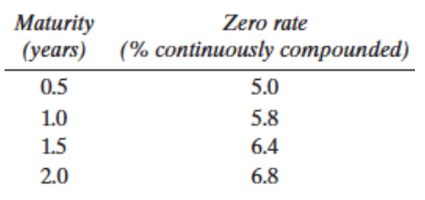
 |  |  |  | curva cero
t | Cupon | Principal | Flujo | r | exp(-r*t) | Flujo*exp(-r*t)
0.5 | 3 |  | 3 | 0.05 | 0.9753 | 2.93
1 | 3 |  | 3 | 0.058 | 0.9436 | 2.83
1.5 | 3 |  | 3 | 0.064 | 0.9085 | 2.73
2 | 3 | 100 | 103 | 0.068 | 0.8728 | 89.90
 |  |  | Precio |  |  | 98.39

TIR
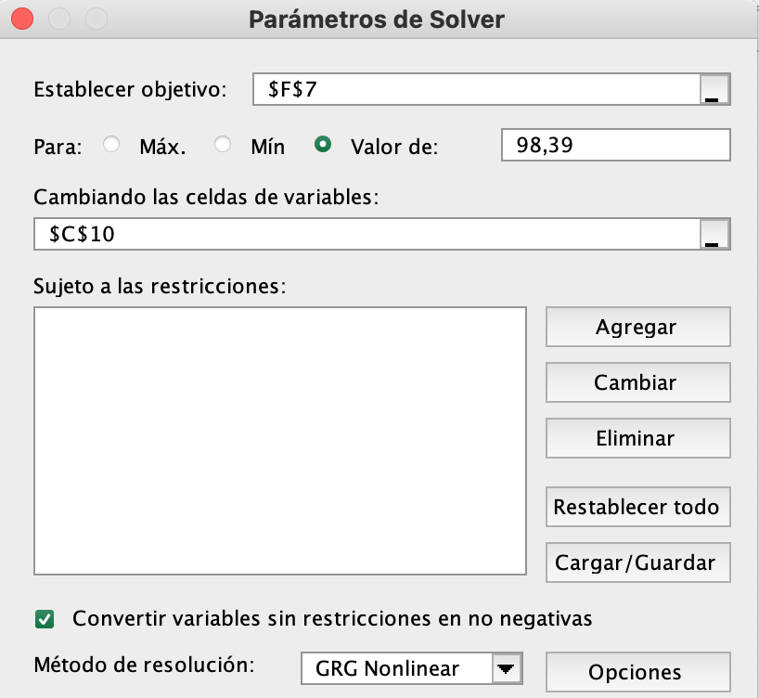
t | Cupon | Principal | Flujo | Flujo*e^{-r*t}
0.5 | 3 |  | 3 | 2.90 | =E3*EXP(-$C$10*B3)
1 | 3 |  | 3 | 2.80 | =E4*EXP(-$C$10*B4)
1.5 | 3 |  | 3 | 2.71 | =E5*EXP(-$C$10*B5)
2 | 3 | 100 | 103 | 89.98 | =E6*EXP(-$C$10*B6)
 |  |  | Precio | 98.39 | =SUMA(F3:F6)

y | 6.8%

curva cero
 | Flujos:
 | 3m | 6m | 1a | 1,5a | 2a |  | Precio
Bono 1 | 100 | 0 | 0 | 0 | 0 |  | 99.60
Bono 2 | 0 | 100 | 0 | 0 | 0 |  | 99.00
Bono 3 | 0 | 0 | 100 | 0 | 0 |  | 97.80
Bono 4 | 0 | 2 | 2 | 102 | 0 |  | 102.50
Bono 5 | 0 | 2.5 | 2.5 | 2.5 | 102.5 |  | 105.00

 | {=MINVERSA(B3:F7)}
 | 0.01 | 0 | 0 | 0 | 0
 | 0 | 0.01 | 0 | 0 | 0
F^{-1}= | 0 | 0 | 0.01 | 0 | 0
 | 0 | -0.00019607843137 | -0.00019607843137 | 0.0098039215686 | 0
 | 0 | -0.00023912003826 | -0.00023912003826 | -0.00023912003826 | 0.009756097561

B$=e^{−rT}$
$$\ln\left(B\right)=−rT$$
 | {=MMULT(B10:F14;H3:H7)} |  |  | t | Curva cero
 | 0.9960 |  |  | 0.25 | 0.01603 | =-(1/E17)*LN(B17)
 | 0.9900 |  |  | 0.5 | 0.02010 | =-(1/E18)*LN(B18)
$$r=−\frac{\ln{(B)}}{T}$$
B= | 0.9780 |  |  | 1 | 0.02225 | =-(1/E19)*LN(B19)
 | 0.9663 |  |  | 1.5 | 0.02284 | =-(1/E20)*LN(B20)
 | 0.9528 |  |  | 2 | 0.02416 | =-(1/E21)*LN(B21)

 |  | Curva cero
 | 0 | 0.01603208559
 | 0.25 | 0.01603208559
 | 0.5 | 0.020100671707
 | 1 | 0.022245608947
 | 1.5 | 0.022844486605
 | 2 | 0.024163786953
 | 2.5 | 0.024163786953
 | 3 | 0.024163786953

Tasas forward
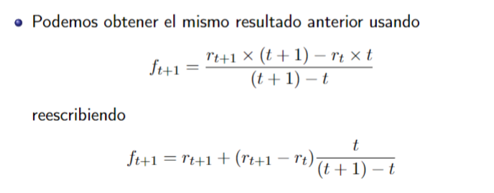
 |  |  |  | Descomposición de f
n | cero | forward |  | r(t) | (r(t+1)-r(t)) | t/[(t+1)-t] | f(t+1)
1 | 3.0% | 3.0% |  | 3.0% |  |  | 3.0%
2 | 4.0% | 5.0% | =LN(EXP(C7*B7)/EXP(C6*B6))/1 | 4.0% | 1.0% | 1 | 5.0% | 5.0% | 5.0%
3 | 4.6% | 5.8% | =LN(EXP(B8*A8)/EXP(B7*A7))/1 | 4.6% | 0.6% | 2 | 5.8% | 5.8% | 5.8%
4 | 5.0% | 6.2% | =LN(EXP(B9*A9)/EXP(B8*A8))/1 | 5.0% | 0.4% | 3 | 6.2% | 6.2% | 6.2%
5 | 5.3% | 6.5% | =LN(EXP(B10*A10)/EXP(B9*A9))/1 | 5.3% | 0.3% | 4 | 6.5% | 6.5% | 6.5%

